Example
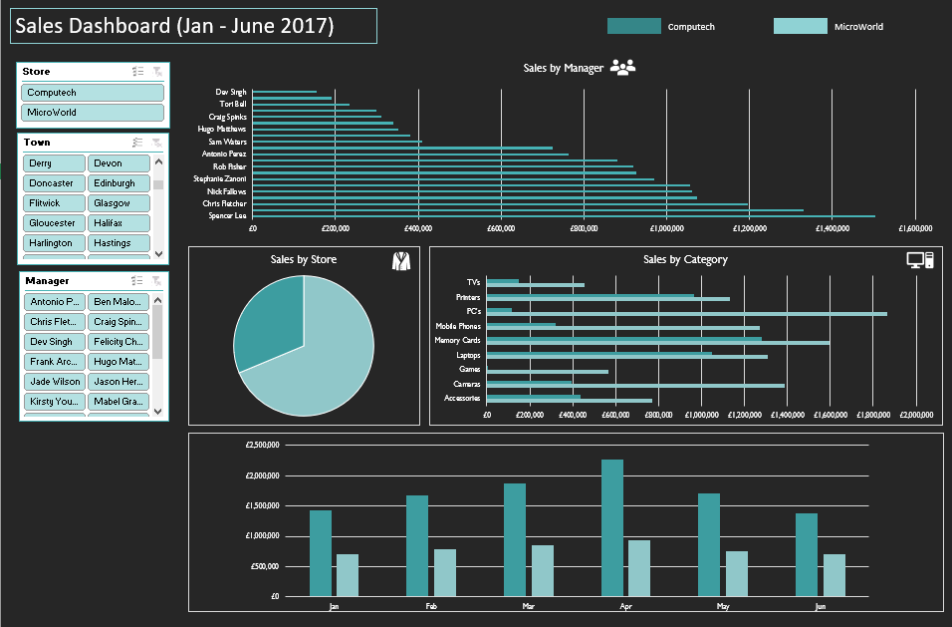

Sales by stores
Row Labels | Sum of Sales
Computech | £10,355,858
MicroWorld | £4,715,356
Grand Total | £15,071,214

Sales by Store

Sales by manager
Sales by Manager
Row Labels | Sum of Sales
Spencer Lee | £1,502,741
Jason Hervey | £1,329,584
Chris Fletcher | £1,194,691
Marcus Decker | £1,072,861
Nick Fallows | £1,060,481
Kirsty Young | £1,055,304
Stephanie Zanoni | £970,310
Mabel Graves | £926,246
Rob Fisher | £918,562
Margot Stoddard | £879,716
Grand Total | £10,910,496

Store Sales by month
Sum of Sales | Column Labels
Row Labels | Computech | MicroWorld
Jan | £1,436,276 | £704,827
Feb | £1,680,793 | £780,547
Store Sales by Month
Mar | £1,876,304 | £848,781
Apr | £2,275,264 | £931,847
May | £1,709,698 | £751,070
Jun | £1,377,523 | £698,283

Sales by category
Sum of Sales | Column Labels
Row Labels | Computech | MicroWorld
Accessories | £771,965 | £434,594
Cameras | £1,386,372 | £395,994
Sales by category
Games | £564,677 | £4,150
Laptops | £1,306,139 | £1,048,573
Memory Cards | £1,598,146 | £1,281,336
Mobile Phones | £1,272,433 | £318,836
PC's | £1,865,967 | £116,226
Printers | £1,134,015 | £964,825
TV's | £456,143 | £150,822

Dashboard
Sales Dashboard (Jan - June 2017)
Computech
MicroWorld

Sales by Manager
 | Total
Spencer Lee | £1,502,741
Jason Hervey | £1,329,584
Chris Fletcher | £1,194,691
Marcus Decker | £1,072,861
Nick Fallows | £1,060,481
Kirsty Young | £1,055,304
Stephanie Zanoni | £970,310
Mabel Graves | £926,246
Rob Fisher | £918,562
Margot Stoddard | £879,716

Sales by Store
 | Total
Computech | £10,355,858
MicroWorld | £4,715,356
Store Sales by Month
 | Computech | MicroWorld
Jan | £1,436,276 | £704,827
Feb | £1,680,793 | £780,547
Mar | £1,876,304 | £848,781
Apr | £2,275,264 | £931,847
May | £1,709,698 | £751,070
Jun | £1,377,523 | £698,283

Sales by category
 | Computech | MicroWorld
Accessories | £771,965 | £434,594
Cameras | £1,386,372 | £395,994
Games | £564,677 | £4,150
Laptops | £1,306,139 | £1,048,573
Memory Cards | £1,598,146 | £1,281,336
Mobile Phones | £1,272,433 | £318,836
PC's | £1,865,967 | £116,226
Printers | £1,134,015 | £964,825
TV's | £456,143 | £150,822

